10.02.2025
2WINDSERVICE |  |  |  |  |  |  |  | Daily Report for Installation Supervision |  |  |  |  | Document No. M20 Vers. 1 | Ref. F11
 |  |  |  |  |  |  |  |  |  |  |  |  | Created by: | Joao Baptista
 |  |  |  |  |  |  |  |  |  |  |  |  | Approved By: | Joao Baptista
 |  |  |  |  |  |  |  |  |  |  |  |  | Date: | 2016-05-17

Project No. | P - 1309 |  |  |  | Project Name |  |  | Neom Green Project |  |  |  |  | Report No. | 20
Week | 7 |  |  |  | Date |  |  | 10.02.2025 |  |  |  |  | Initials | edroq

Installation Team |  | 36 | Crane Crew |  |  |  | 2

Site Work Progress

PAD No: | CATEGORY |  | Sub-CATEGORY |  |  |  |  |  |  |  | NOTES
R6 T124 | Mechanical |  | Mechanical Finishing
R6 T140 | Mechanical |  | Mechanical Finishing
R10 T140 | Crane |  | Assembly

Erection/Daily Remarks

2windservice People (Initials) |  | Start Time |  | Finish Time |  |  | Travelling Time |  | Manhours
edroq |  | 7:00:00 |  | 18:00:00 |  |  |  |  | 11:00:00
 |  |  |  |  |  |  |  |  | 0:00:00
 |  |  |  |  |  |  |  |  | 0:00:00
 |  |  |  |  |  |  |  |  | 0:00:00
 |  |  |  |  |  |  |  |  | 0:00:00
 |  |  |  |  |  |  |  |  | 0:00:00
 |  |  |  |  |  |  |  |  | 0:00:00
 |  |  |  |  |  |  |  |  | 0:00:00
 |  |  |  |  |  |  |  |  | 0:00:00
 |  |  |  |  |  |  |  |  | 0:00:00
 |  |  |  |  |  |  |  |  | 0:00:00
 |  |  |  |  |  |  |  |  | 0:00:00
 |  |  |  |  |  |  |  |  | 0:00:00
 |  |  |  |  |  |  | Total |  | 11:00:00

Waiting and extra time

Rensponsible |  |  | Company |  |  | People |  | Total hours |  | Manhours | Description
 |  |  |  |  |  |  |  |  |  | 0:00:00
 |  |  |  |  |  |  |  |  |  | 0:00:00
 |  |  |  |  |  |  |  |  |  | 0:00:00
 |  |  |  |  |  |  |  |  |  | 0:00:00
 |  |  |  |  |  |  |  |  |  | 0:00:00
 |  |  |  |  |  |  |  |  |  | 0:00:00
 |  |  |  |  |  |  |  |  |  | 0:00:00
 |  |  |  |  |  |  |  |  |  | 0:00:00
 |  |  |  |  |  |  |  | Total |  | 0:00:00

Wind Measurements

8:00 |  |  |  |  |  |  | 10:00 |  |  |  |  | 12:00
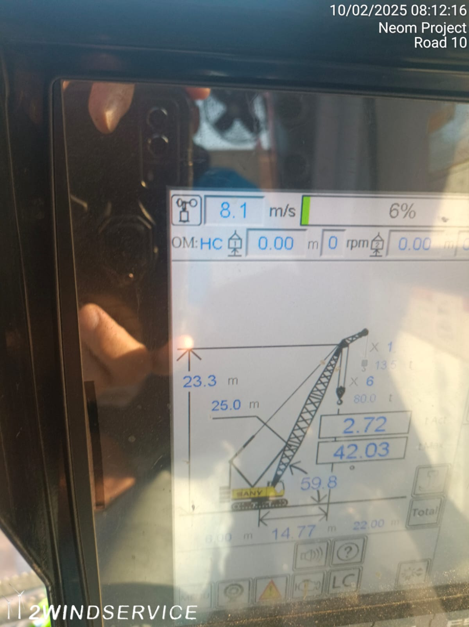

14:00 |  |  |  |  |  |  | 16:00 |  |  |  |  | 18:00

